2.Micrographs (A)
AEG Materials Lab Report
Aluminium slurry coating on test button

 | Sample Identification |  | Description |  | Sample Preparation | Materials | Additional Info | Result
 | MS 6932C |  | Test Buttons |  | Hot Mounting | Al-Slurry on Has-X | - | View Below

 | Comment:
 | Coating has been evaluated on Hastelloy-X button. 2 areas (A &B) were checked for the surface coating thickness. The overall average thickness is found to be of 0.044 mm, which meets the design limit requirements (0.030- 0.050 mm).

 | AVG.: | 0.044mm |  | Compared with design limits (0.030-.050) mm

 | Test Button Pairing-A

 | 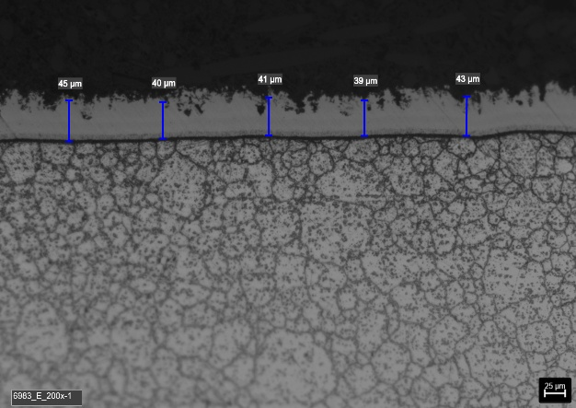 |  |  |  |  | 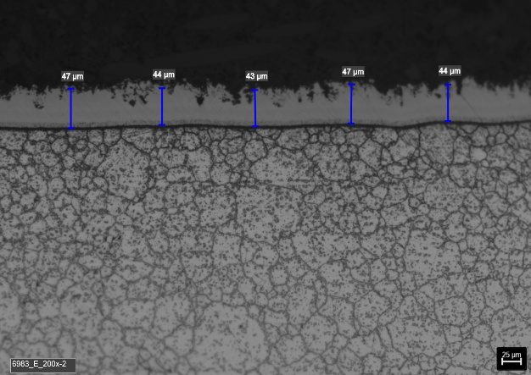

 | Pic.1 |  | Test Button Pairing-A (Loc.1) Coating Thickness Overview 200x |  |  | Pic.2 | Test Button Pairing-A (Loc.2) Coating Thickness Overview 200x

 | 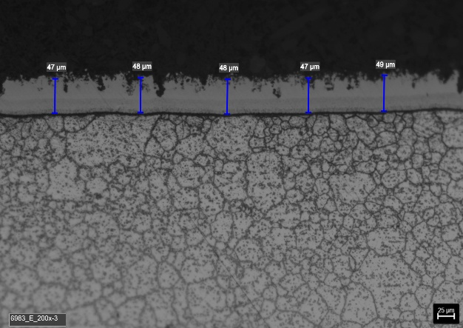

 | Pic.3 |  | Test Button Pairing-A (Loc.3) Coating Thickness Overview 200x

Date |  | 2025-11-20 |  | Mat. Lab. | Berenice Gaviola |  | Mat. Eng. | Khemici Badri / Abdelmawla Eslam

2.Micrographs (B)
AEG Materials Lab Report
Aluminium slurry coating on test button

 | Sample Identification |  | Description |  | Sample Preparation | Materials | Additional Info | Result
 | MS 6932C |  | Test Buttons |  | Hot Mounting | Al-Slurry on Has-X | - | View Below

 | Test Button Pairing-B

 | 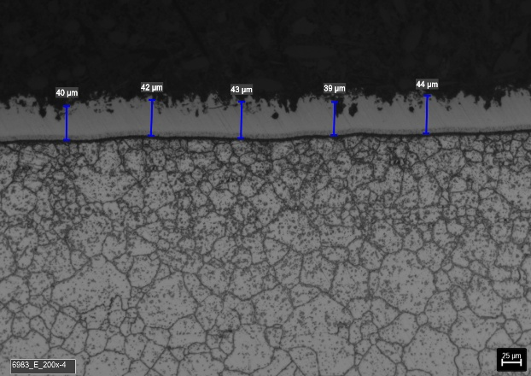 |  |  |  |  | 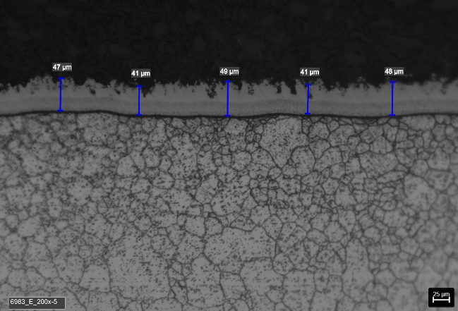

 | Pic.1 |  | Test Button Pairing-B (Loc.1) Coating Thickness Overview 200x |  |  | Pic.2 | Test Button Pairing-B (Loc.2) Coating Thickness Overview 200x

 | 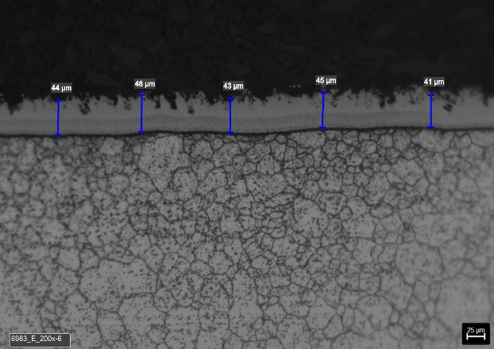

 | Pic.3 |  | Test Button Pairing-B (Loc.3) Coating Thickness Overview 200x

Date |  | 2025-11-20 |  | Mat. Lab. | Berenice Gaviola |  | Mat. Eng. | Khemici Badri / Abdelmawla Eslam

